All Data
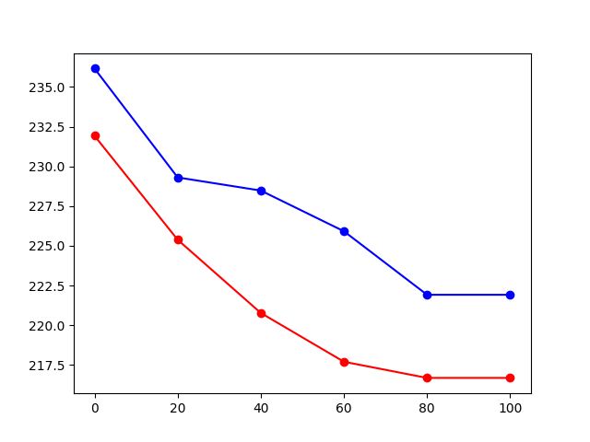
Percentage | S68_S1_L | S21_S1_L | S26_S2_H | S62_S1_L | S63_S1_L | S05_S2_L | S04_S2_L | S19_S2_H | S15_S1_L | S14_S1_L | S36_S1_L | S41_S1_L | S40_S1_L | S12_S2_L | S47_S2_H | S02_S1_L | S03_S1_L | S12_S1_H | S03_S2_H | S02_S2_H | S47_S1_L | S36_S2_H | S40_S2_H | S41_S2_H | S63_S2_H | S62_S2_H | S04_S1_H | S05_S1_H | S26_S1_L | S19_S1_L | S14_S2_H | S15_S2_H | S21_S2_H | S68_S2_H | S33_S2_H | S32_S2_H | S23_S1_H | S22_S1_H | S35_S1_L | S34_S1_L | S17_S1_H | S07_S2_H | S61_S1_H | S42_S1_L | S24_S2_L | S38_S2_L | S38_S1_H | S17_S2_L | S34_S2_H | S35_S2_H | S42_S2_H | S24_S1_H | S07_S1_L | S61_S2_L | S32_S1_L | S33_S1_L | S22_S2_L | S23_S2_L | H_Avg | L_Avg
0 | 223.61285439 | 223.61285439 | 246.27225004 | 280.69485808 | 217.36090273 | 240.7387442 | 257.73030359 | 201.92618662 | 201.92618662 | 207.72586657 | 265.16516899 | 232.67455349 | 222.98041591 | 227.45161947 | 232.67455349 | 246.27225004 | 253.37136884 | 216.13203436 | 243.48951591 | 271.26961544 | 239.37522937 | 222.34797743 | 231.35748498 | 228.74606153 | 210.09304712 | 274.37513878 | 219.840037 | 246.27225004 | 269.73025573 | 208.90603851 | 189.74145406 | 228.74606153 | 212.48773298 | 232.67455349 | 271.26961544 | 254.81596249 | 238.0195678 | 257.73030359 | 222.34797743 | 232.67455349 | 206.55249193 | 250.50709438 | 217.36090273 | 205.38587542 | 223.61285439 | 263.6609683 | 244.87686456 | 204.22597813 | 226.16463284 | 228.74606153 | 195.1840941 | 226.16463284 | 242.1101578 | 231.35748498 | 274.37513878 | 250.50709438 | 249.08731799 | 230.04800222 | 231.92545445 | 236.16285773
20 | 238.0195678 | 232.67455349 | 226.16463284 | 279.10121296 | 227.45161947 | 232.67455349 | 212.48773298 | 195.1840941 | 192.98815748 | 204.22597813 | 249.08731799 | 231.35748498 | 216.13203436 | 213.09161155 | 246.27225004 | 251.93509545 | 222.34797743 | 208.90603851 | 217.36090273 | 238.0195678 | 249.08731799 | 213.69549013 | 222.34797743 | 231.35748498 | 208.90603851 | 272.04375401 | 214.91024374 | 243.48951591 | 262.16543117 | 218.59688987 | 184.9764344 | 194.08295474 | 200.78621567 | 235.33162381 | 252.65323214 | 251.93509545 | 231.35748498 | 252.65323214 | 212.48773298 | 230.04800222 | 180.33218594 | 228.74606153 | 232.67455349 | 208.90603851 | 213.69549013 | 251.93509545 | 268.19976208 | 194.08295474 | 224.88505872 | 221.09038562 | 196.29161229 | 241.424451 | 231.35748498 | 219.840037 | 249.08731799 | 230.04800222 | 244.87686456 | 230.04800222 | 225.38201154 | 229.30474343
40 | 231.35748498 | 234.66543776 | 211.286932 | 277.51674657 | 236.67171428 | 214.91024374 | 226.16463284 | 185.49911338 | 195.1840941 | 208.90603851 | 222.34797743 | 221.09038562 | 218.59688987 | 214.91024374 | 243.48951591 | 250.50709438 | 222.34797743 | 198.5259332 | 217.36090273 | 266.67808342 | 235.33162381 | 211.286932 | 216.13203436 | 240.7387442 | 221.09038562 | 260.6785077 | 224.88505872 | 247.67571891 | 253.37136884 | 217.36090273 | 171.39957139 | 200.78621567 | 194.08295474 | 228.74606153 | 243.48951591 | 243.48951591 | 222.34797743 | 235.33162381 | 227.45161947 | 227.45161947 | 183.41441826 | 222.34797743 | 208.90603851 | 210.09304712 | 200.78621567 | 251.93509545 | 247.67571891 | 184.45375541 | 222.34797743 | 211.286932 | 195.1840941 | 226.16463284 | 239.37522937 | 219.840037 | 260.6785077 | 231.35748498 | 242.1101578 | 249.08731799 | 220.76996855 | 228.47796359
60 | 222.34797743 | 228.74606153 | 224.88505872 | 250.50709438 | 228.74606153 | 223.61285439 | 230.04800222 | 181.3536679 | 211.286932 | 191.89966579 | 233.9992517 | 227.45161947 | 216.13203436 | 218.59688987 | 233.9992517 | 253.37136884 | 232.67455349 | 205.38587542 | 236.67171428 | 260.6785077 | 238.0195678 | 200.78621567 | 217.36090273 | 235.33162381 | 207.72586657 | 266.67808342 | 217.36090273 | 222.34797743 | 244.87686456 | 198.5259332 | 174.32566436 | 203.07276135 | 185.49911338 | 219.840037 | 230.04800222 | 232.67455349 | 227.45161947 | 223.61285439 | 214.91024374 | 231.35748498 | 196.29161229 | 231.35748498 | 223.61285439 | 199.65281046 | 221.09038562 | 240.7387442 | 223.61285439 | 184.45375541 | 207.13917925 | 217.36090273 | 191.89966579 | 214.91024374 | 239.37522937 | 205.96918367 | 243.48951591 | 232.67455349 | 242.1101578 | 244.87686456 | 217.6991397 | 225.91522972
80 | 219.840037 | 210.09304712 | 212.48773298 | 239.37522937 | 223.61285439 | 195.1840941 | 224.88505872 | 182.38106725 | 211.286932 | 211.286932 | 236.67171428 | 219.840037 | 218.59688987 | 223.61285439 | 243.48951591 | 251.93509545 | 228.74606153 | 200.21951307 | 231.35748498 | 253.37136884 | 216.74646854 | 182.38106725 | 227.45161947 | 239.37522937 | 212.48773298 | 247.67571891 | 227.45161947 | 199.65281046 | 238.0195678 | 195.1840941 | 174.32566436 | 196.29161229 | 185.49911338 | 214.91024374 | 243.48951591 | 265.16516899 | 228.74606153 | 230.04800222 | 213.69549013 | 227.45161947 | 179.31658728 | 231.35748498 | 216.13203436 | 200.78621567 | 203.07276135 | 238.0195678 | 227.45161947 | 187.6080315 | 219.840037 | 205.38587542 | 188.671662 | 217.36090273 | 227.45161947 | 207.72586657 | 282.29773508 | 233.9992517 | 221.09038562 | 227.45161947 | 216.68186436 | 221.91610798
100 | 219.840037 | 210.09304712 | 212.48773298 | 239.37522937 | 223.61285439 | 195.1840941 | 224.88505872 | 182.38106725 | 211.286932 | 211.286932 | 236.67171428 | 219.840037 | 218.59688987 | 223.61285439 | 243.48951591 | 251.93509545 | 228.74606153 | 200.21951307 | 231.35748498 | 253.37136884 | 216.74646854 | 182.38106725 | 227.45161947 | 239.37522937 | 212.48773298 | 247.67571891 | 227.45161947 | 199.65281046 | 238.0195678 | 195.1840941 | 174.32566436 | 196.29161229 | 185.49911338 | 214.91024374 | 243.48951591 | 265.16516899 | 228.74606153 | 230.04800222 | 213.69549013 | 227.45161947 | 179.31658728 | 231.35748498 | 216.13203436 | 200.78621567 | 203.07276135 | 238.0195678 | 227.45161947 | 187.6080315 | 219.840037 | 205.38587542 | 188.671662 | 217.36090273 | 227.45161947 | 207.72586657 | 282.29773508 | 233.9992517 | 221.09038562 | 227.45161947 | 216.68186436 | 221.91610798

